Charts analysis of meal count
 | Comparision of count of meals before and after Pandemic

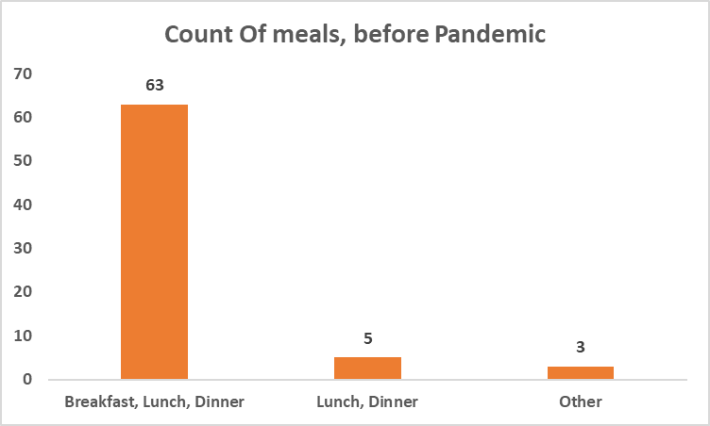
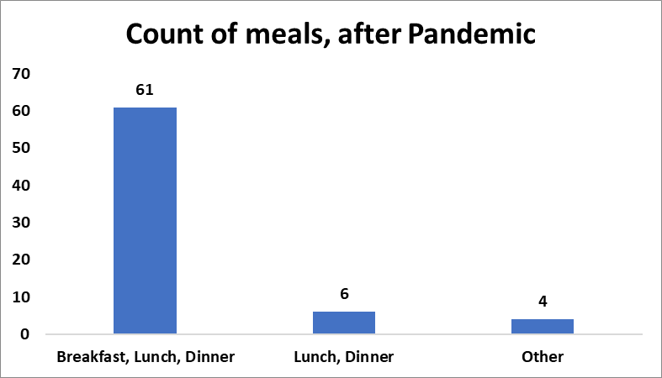

Observation : 63 (90% ) of the total responses preferred havig 3 meals in a day before the outbreak and after the outbreak, 61 (87%) of the total responses preferred.
Hence, There is almost no change in the number of meals, when people were sitting at home in lockdown and also when some started gaining weight.

cumulative pivot
Do you prefer eating fruits?

Row Labels | Count of Do you prefer eating fruits?
Yes | 50
Love eating fruits | 18
No | 3 | Observation: 52 out of 61 people who eat 3 meals a day,
Grand Total | 71 | prefer consuming dairy products regularly.

Row Labels | Count of After pandemic, How many meals did you eat?
Breakfast, Lunch, Dinner | 61
Lunch, Dinner | 6
Other | 4
Grand Total | 71

Regular Dairy Products Consumption
 | Total
No | 19
Yes | 52
(blank)
Row Labels | Count of Before pandemic, How many meals did you eat?
Breakfast, Lunch, Dinner | 63
Lunch, Dinner | 5
Other | 3
Grand Total | 71

Row Labels | Count of Do you consume dairy products regularly?
No | 19
Yes | 52
(blank)
Grand Total | 71

city, food
Row Labels | Count of What city and country are you from? Kindly place / in between city and country.
Kolkata | 25
Both | 14
No | 7
Yes | 7
Non-vegetarian | 7
No | 1
Yes | 6 | Observation:
vegetarian | 4
56% (14) out of 25 people in Kolkata prefer both vegetarian and Non-vegetarian food.
-50% out of these consume dairy products regularly
62.5% people in Hyderabad prefer vegetarian food
- 62.5% out of these consume dairy products regularly.
Yes | 4
Hyderabad | 8
vegetarian | 5
Yes | 5
Both | 3
Yes | 3
Delhi | 6
vegetarian | 5
Yes | 5
Both | 1
Yes | 1
Bhubaneswar | 3
Both | 1
No | 1
vegetarian | 1
Yes | 1
Non-vegetarian | 1
Yes | 1
Kerala | 3
Both | 1
Yes | 1
vegetarian | 1
Yes | 1
Non-vegetarian | 1
Yes | 1
Mizoram | 1
Both | 1
No | 1
Vizag, Andhra Pradesh India | 1
Both | 1
Yes | 1
Rohtak / India | 1
vegetarian | 1
Yes | 1
Faridabad / India | 1
vegetarian | 1
Yes | 1
Kulgam ,Jammu and Kashmir, India | 1
Both | 1
No | 1
Gays | 1
vegetarian | 1
No | 1
Mundra, India | 1
vegetarian | 1
Yes | 1
Guwahati/ India | 1
Both | 1
Yes | 1
Uttar Pradesh /India | 1
Non-vegetarian | 1
Yes | 1
Hathras/India | 1
Both | 1
Yes | 1
Burlington/Vermont/USA | 1
vegetarian | 1
Yes | 1
Hisar/India | 1
vegetarian | 1
Yes | 1
Kurnool / Andhra pradesh/ India | 1
Both | 1
Yes | 1
Bareilly/Uttar Pradesh/India | 1
vegetarian | 1
Yes | 1
Mumbai/ India | 1
vegetarian | 1
No | 1
India | 1
Both | 1
Yes | 1
patna, india | 1
Both | 1
Yes | 1
India/Bhopal | 1
Both | 1
No | 1
Telangana | 1
vegetarian | 1
No | 1
Warangal, Telangana, India | 1
Both | 1
No | 1
Vishakapatanam | 1
vegetarian | 1
No | 1
Baramulla, Kashmir | 1
Both | 1
Yes | 1
Bhopal/India | 1
Both | 1
Yes | 1
Keojhar/India | 1
Both | 1
No | 1
Indore/India | 1
vegetarian | 1
Yes | 1
Jaipur; India | 1
vegetarian | 1
No | 1
(blank)
(blank)
(blank)
Grand Total | 71

